Existing Command Overview
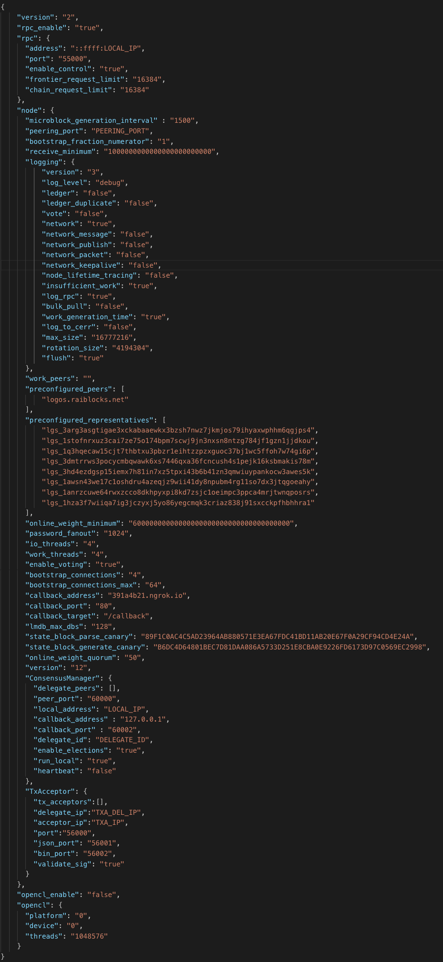
Option name | Parameters ([] indicates optional) | High-Level Description | Code Execution Summary | Verdict (Keep / Remove / Modify) | Additional Notes
NODE CLI (all can include data_path as param)
help |  | prints out options
version |  | prints out version
tx_acceptor |  | start standalone tx acceptor
daemon |  | start node daemon |  | K
debug_block_count |  | display the number of block | Queries send_blocks, receive_blocks, open_blocks, change_blocks, state_blocks_v0&1 DBI’s and sum number of entries | K
debug_bootstrap_generate | --key <key> (random) | list representatives and weights | Use provided key as genesis key, randomly generate landing keypair, 32 representative keypairs Generate send blocks for 8 years’ weekly_distributions, from genesis account to landing account; print all keypairs and blocks to stdout | R
debug_dump_representatives |  | list representatives and weights | Query “representation” dbi, for each representative print to stdout rep account id, rep weight, cumulative total weight so far; then calculate and print again by tracing "rep block" from account head blocks, incrementally build up full map of rep-amount pairs | K
debug_account_count |  | display the number of accounts | Query accounts_v0&v1 dbi’s, sum number of entries | K
debug_mass_activity |  | generates fake debug activity | Create a system of one node (with one wallet). Repeat 1M times: generate & process random action with varying probabilities (see notes). Log transaction speed and block count. | D support multiple nodes | Possible options: rollback random block - 1/256, change rep to known account - 15/256, change rep to unknown account - 16/256, generate receive (from random block hash) - 80/256, generate send to existing account - 80/256, open 64/256. Log at every 256th activity, report time (in us) passed, us/txn, no. of state blocks in MDB, no. of legacy blocks in MDB
debug_profile_generate |  | Profile work generation | Create work pool with max thread number, run work generation in endless loop for incrementing block hashes, log time taken to generate work in microseconds for each block | D better stats logging disambiguate naming
debug_opencl | [platform]: default 0 (index) [device]: deafult 0 (index) [threads]: default 1024^2 | OpenCL work generation | create OpenCL framework and opencl-enabled work pool, run work generation in endless loop for incrementing block hashes, log time taken to generate work in microseconds for each block | D better stats logging
debug_profile_verify |  | profile work verification | run in endless loop: in each iteration repeat 1M times: increment work value then try to validate against dummy change block, log total time for each iteration | D better statistics logging, disambiguate naming
debug_profile_kdf |  | profile kdf function | run argon2d kdf in endless loop (hashing empty password and salt), log derivation time for each iteration | D better stats logging
debug_verify_profile |  | profile signature verification | verify signature: ed25519 sign empty message with rand key, perform signature validation for 1000 times and log total time taken | D better statistics logging, disambiguate naming
debug_profile_sign |  | profile signature generation | in endless loop, perform 1000 send block ed25519 sign + blake2b hash operations, log total time taken for each iteration | D better statistics logging, separate hash and sign profiling
debug_profile_process (DELETED?) |  | profile active blocks processing (only for rai_test_network) | 100k accounts, 1.2M blocks — pre-generate blocks to: open all accounts (pre-generating 200k blocks), 5x sends & receives for each account (1M blocks), then process all blocks with one node, log time it takes to process | D (but we need to support multiple nodes)
debug_validate_blocks (DELETED?) |  | Check all blocks for correct hash, signature, work value | Verify all account chains and pending blocks (see notes) | M base on Logos consensus architecture | For each account, start from open block and check the following are all correct: account field, previous, hash, signature, epoch block transition correctly signed (upgrade), work value. Then for each pending block, check for correctness: type, destination, source, pending amount
vacuum | (set the following to also perform the corresponding operation) --unchecked_clear --delete_node_id --clear_send_ids | compact database. If data_path is missing, the database in data directory is compacted | renames data.ldb to "backup.vacuum.ldb", names vacuumed file "data.ldb" | R
snapshot | (set the following to also perform the corresponding operation) --unchecked_clear --delete_node_id --clear_send_ids | cinpact database and create snapshot; functions similar to vacuum but does not replace the existing database | creates a "snapshot.ldb" using compaction in the same dir as data.ldb | M (change name)
unchecked_clear |  | see RPC |  | R
clear_send_ids |  | remove all send IDs from the database (dangerous: not intended for production use) | empties the whole "send_action_id" MDB dbi | R | see send RPC
delete_node_id |  | delete the node ID | delete node id key-val in "meta" DBI node id is used for peer handshake | M (pending p2p system design)
diagnostics |  | run internal diagnostics | tests blake2b hash function, argon2d kdf function, and dumps OpenCL information | K (using our set of algos)
wallet_decrypt_unsafe | --wallet <wallet> --password <password> | prints out wallet seed, and all private keys of accounts |  | K
vote_dump |  | dump most recent votes from representatives | prints out every vote's account, signature (of seq + block hashes), sequence number, block hashes | R | Nano uses a vote_cache structure to reduce number of MDB lookups

P2P CLI (all can include data_path as param)
addnode | multi <addresses[]> | Add a node to connect to and attempt to keep the connection open
banscore | arg <threshold> | Threshold for disconnecting misbehaving peers
bantime | arg <seconds> | Number of seconds to keep misbehaving peers from reconnecting
bind | arg <address> | Bind to given address and always listen on it
connect | multi <addresses[]> | Connect only to the specified node
discover |  | Discover own IP addresses
dns |  | Allow DNS lookups for --addnode, --seednode and --connect
dnsseed |  | Query for peer addresses via DNS lookup, if low on addresses
externalip | arg <address> | Specify your own public address
forcednsseed |  | Always query for peer addresses via DNS lookup listen
maxconnections | arg <# of connections> | Maintain at most arg connections to peers maxreceivebuffer
maxsendbuffer | arg <KB> | Maximum per-connection send buffer in KB
maxtimeadjustment | arg <time?> | Maximum allowed median peer time offset adjustment
maxuploadtarget | arg <MiB> | Tries to keep outbound traffic under the given target in MiB per 24hr
onlynet | multi <ipv4,ipv6> | Make outgoing connections only through network ipv4 or ipv6
port | arg <port> | Listen for connections on port arg
seednode | multi <addresses[]> | Connect to a node to retrieve peer addresses, and disconnect
timeout | arg <milliseconds> | Specify connection timeout in milliseconds
whitebind | arg <address> | Bind to given address and whitelist peers connecting to it
whitelist | multi <addresses[]> | Whitelist peers connecting from the given IP address or network
dropmessagetest | arg <drop message every x network messages> | Randomly drop 1 of every arg network messages | DEBUG ONLY
addrmantest |  | Allows to test address relay on localhost | DEBUG ONLY
debug | multi <Category[]> | Output debugging information for a category
debugexclude | multi <Category[]> | Exclude debugging information for a category
logips | arg <Boolean> | Include IP addresses in debug output, true or false
mocktime | arg <Seconds> | Replace actual time with arg seconds since epoch | DEBUG ONLY

P2P Actions
exit |  | The 'exit' command terminates the test application.
peers |  | The 'peers' command displays a list of all known hosts on the p2p network.
ban | <ip> | The 'ban' command whose argument is the ip address of the host adds this host to the database of banned hosts.
banned | <ip> | Finally, the 'banned' command whose argument is also an ip address returns a true or false depending on whether the given host is in the database of banned hosts.

Config Settings

